NLP-MIN VARIANCE
NON LINEAR MINIMUM VARIANCE PROBLEM
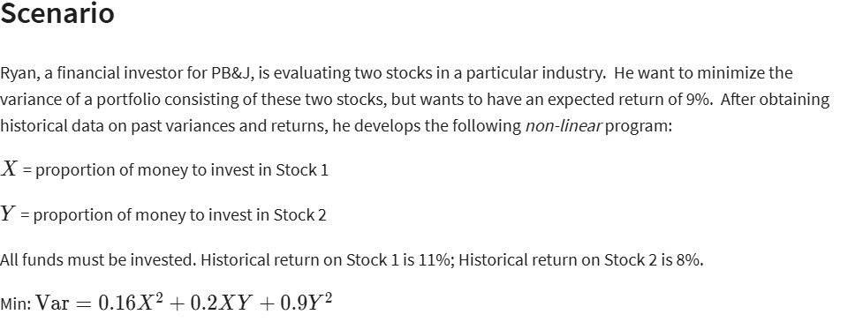

LINEAR VARS | X | Y
 | 93% | 7%

NON LINEAR VARS | X2 | XY | Y2
COEFF | 0.16 | 0.2 | 0.9
FORMULA | 0.86533261222 | 0.064899945917 | 0.0048674959438
TERM | 0.13845321796 | 0.012979989183 | 0.0043807463494 | 0.15581395349 | <--VARIANCE(MIN)

CONSTRAINTS | X | Y | LHS | SIGN | RHS
BUDGET | 1 | 1 | 100% | = | 100%
RETURN | 11% | 8% | 11% | >= | 9%

NON-LINEAR MODEL SOLUTION
X | 93%
Y | 7%
MIN VARIANCE: | 0.155814

